7.Simapro9.4.0.2
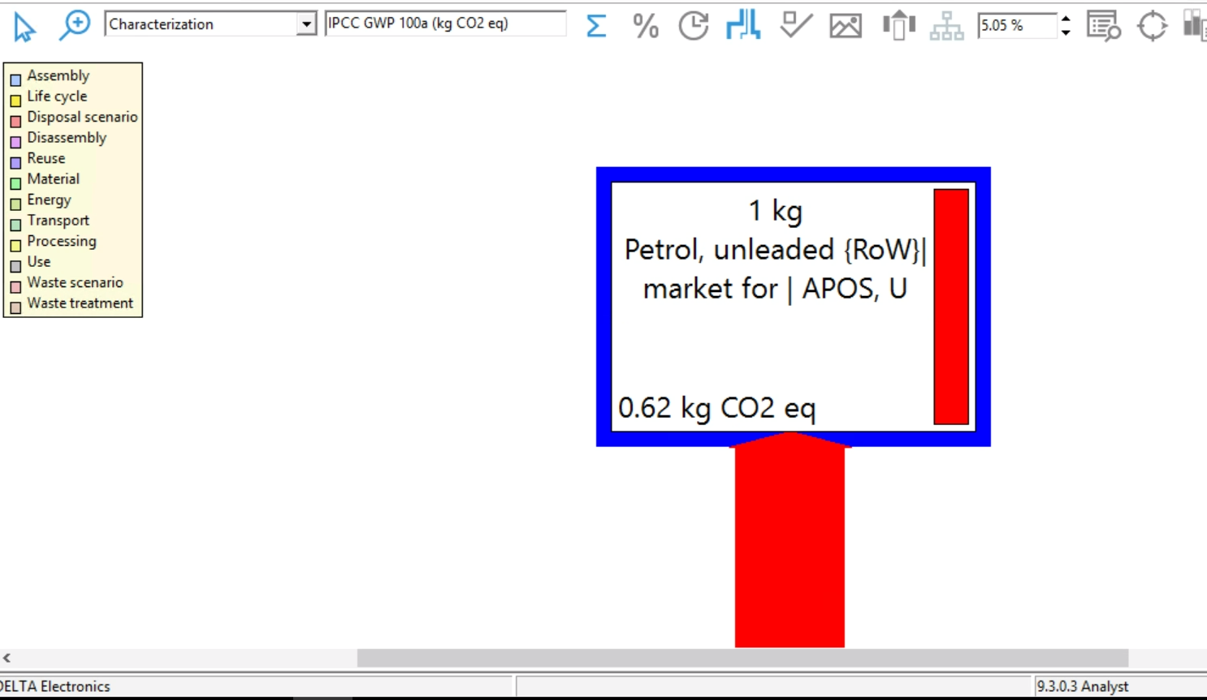
Return 1.GHG Inventory Form
Simapro9.4.0.2-Tap water {GLO}| market group for | Cut-off, U
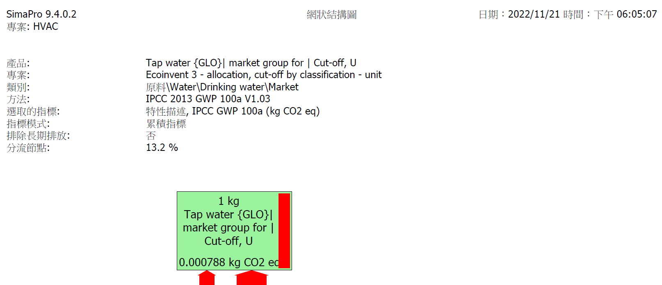

Simapro 9.4.0.2-Municipal solid waste {RoW}| treatment of, incineration
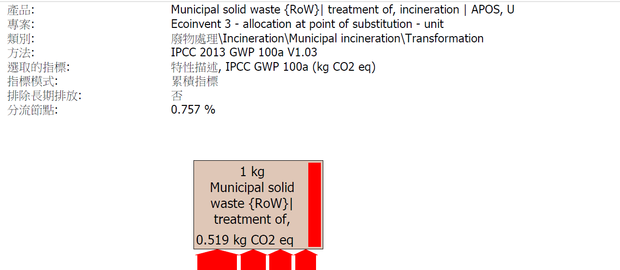

Simapro 9.4.0.2-Municipal solid waste {RoW}| treatment of, sanitary landfill | Cut-off, U
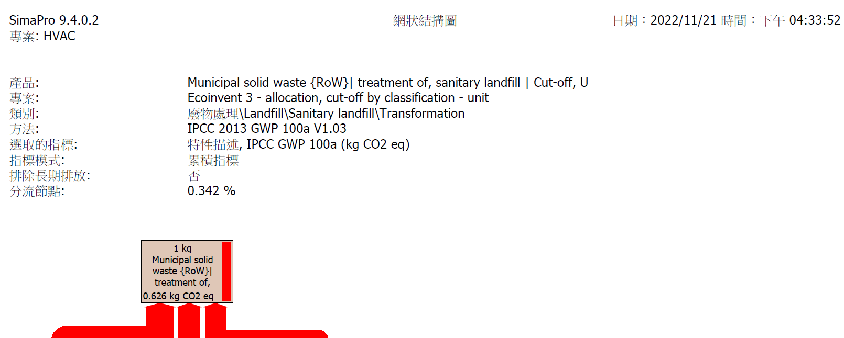

Simapro 9.4.0.2-Hazardous waste, for incineration {Europe without Switzerland}| market for hazardous waste, for incineration
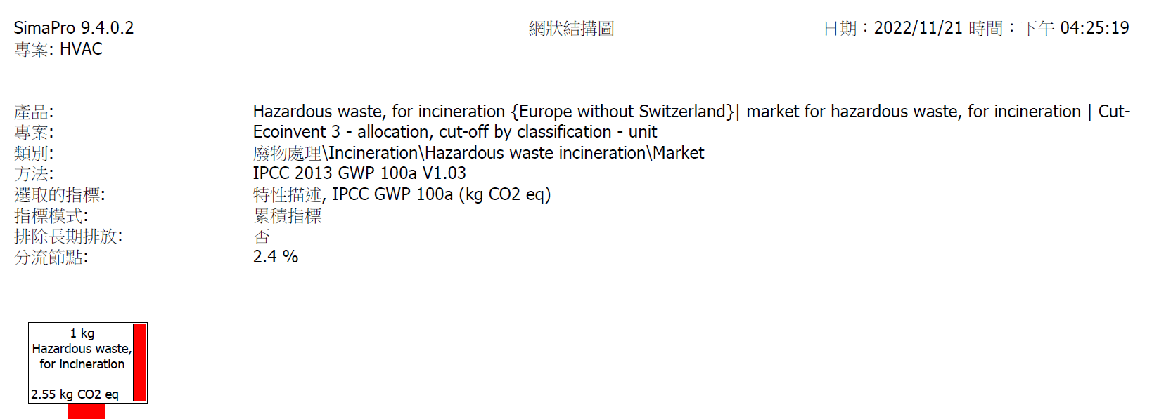

Simapro 9.4.0.2-Municipal solid waste {RoW}| treatment of, sanitary landfill | Cut-off, U
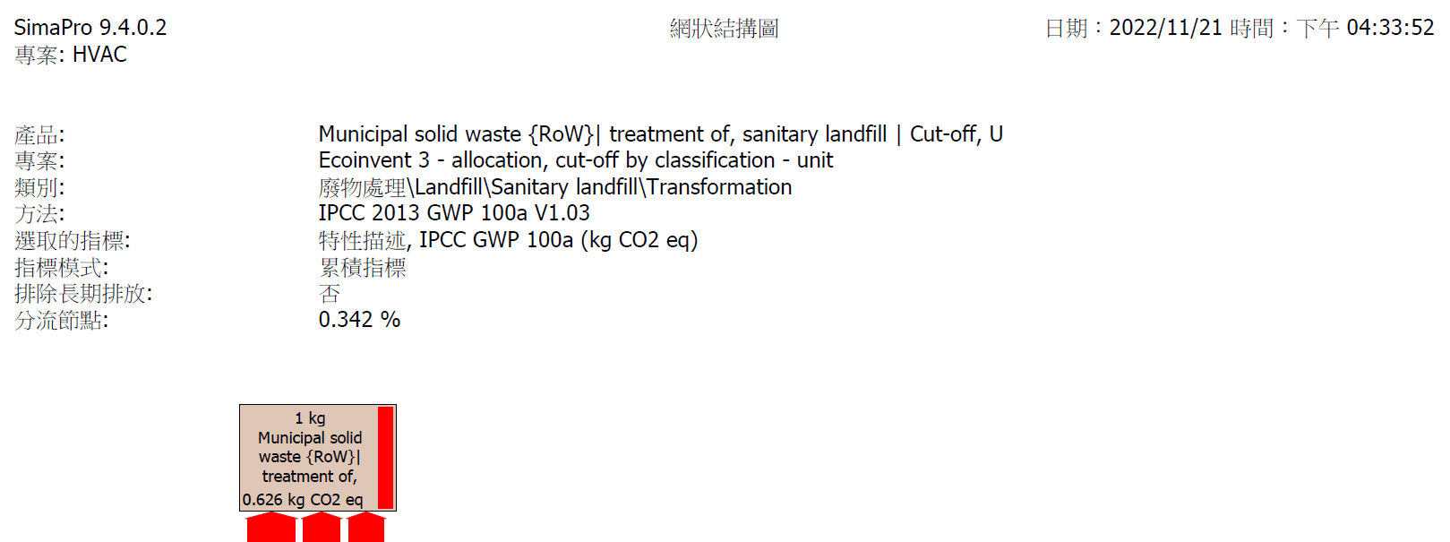

Simapro-Wastewater, average {RoW} market for wastewater, average
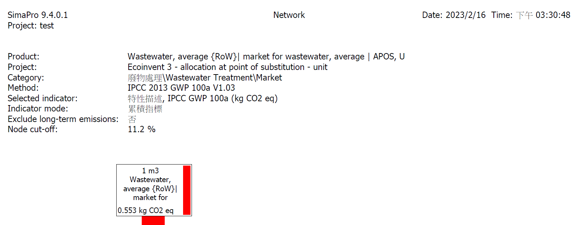

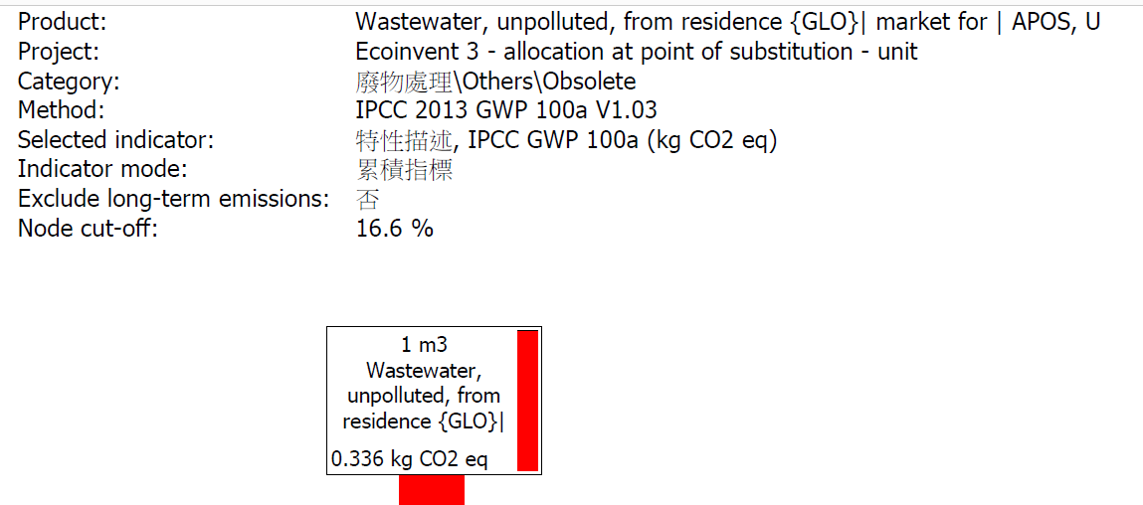
Simapro9.4.02-Wastewater, unpolluted, from residence {GLO}

Heat, central or small-scale, natural gas {GLO}| market group for | APOS, U
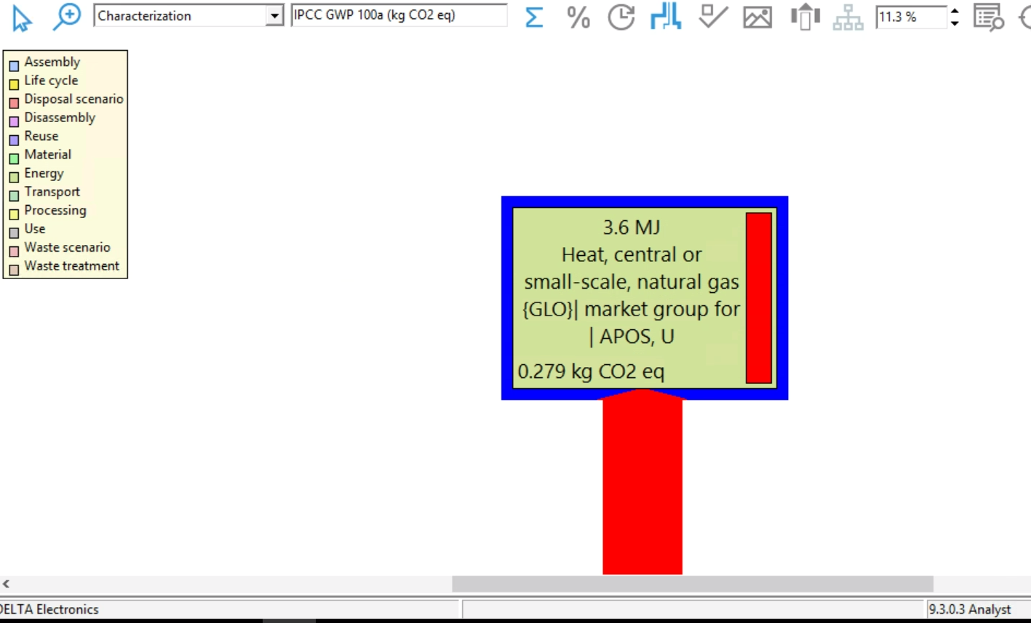

Natural gas, high pressure {GLO}| market group for | APOS, U
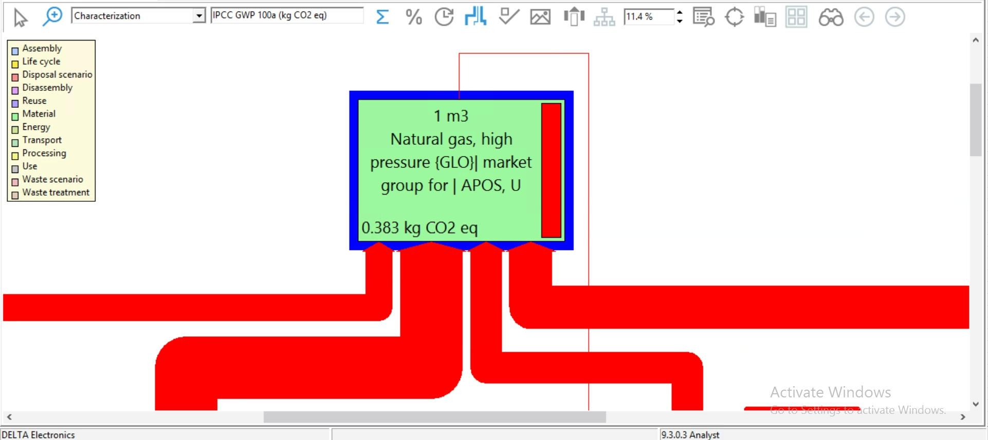

Liquefied petroleum gas {GLO}| market group for liquefied petroleum gas | APOSf, U
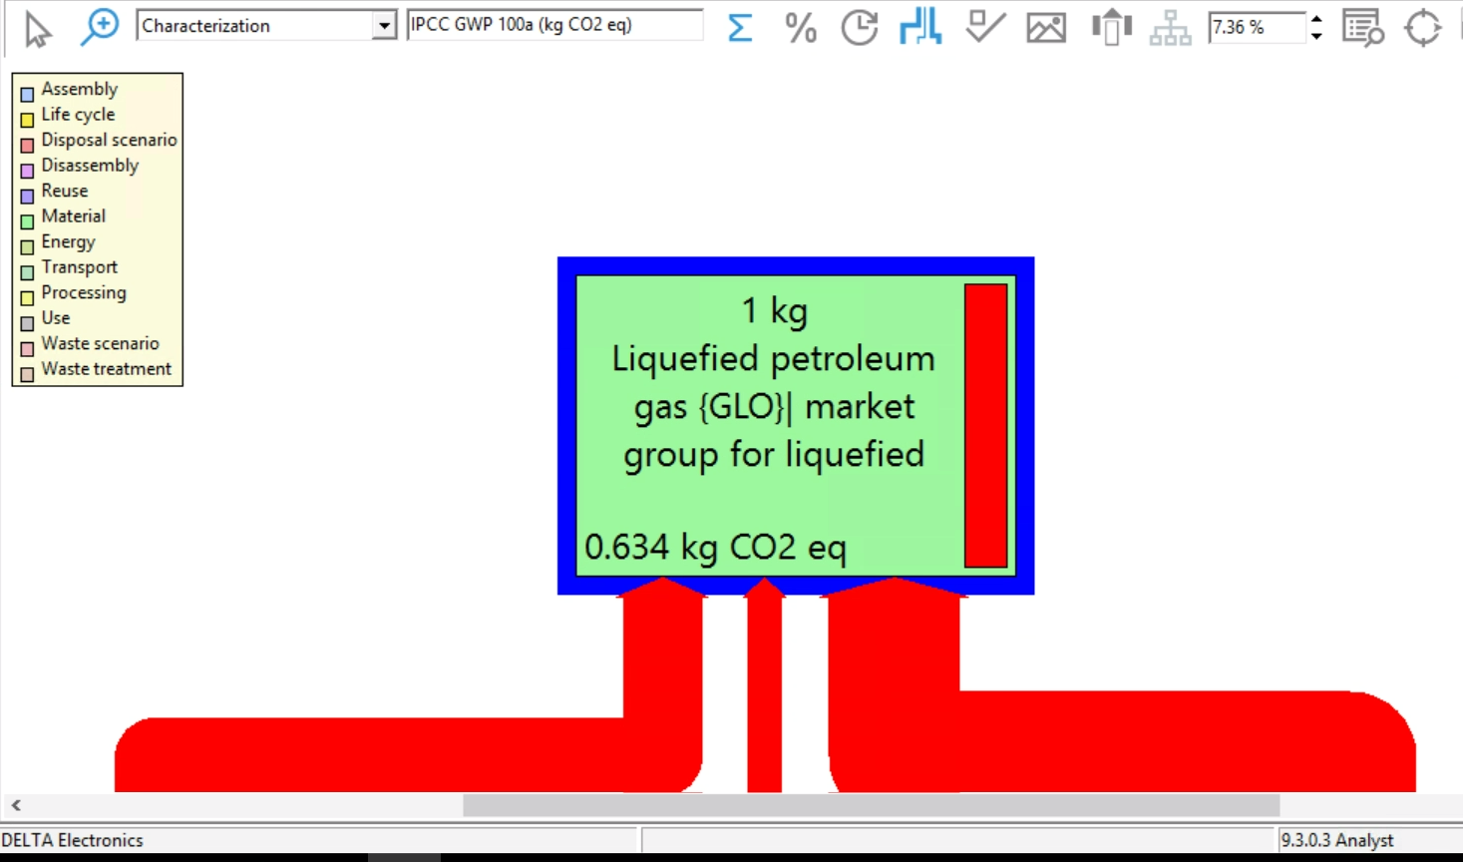

Diesel {GLO}| market group for | APOS, U
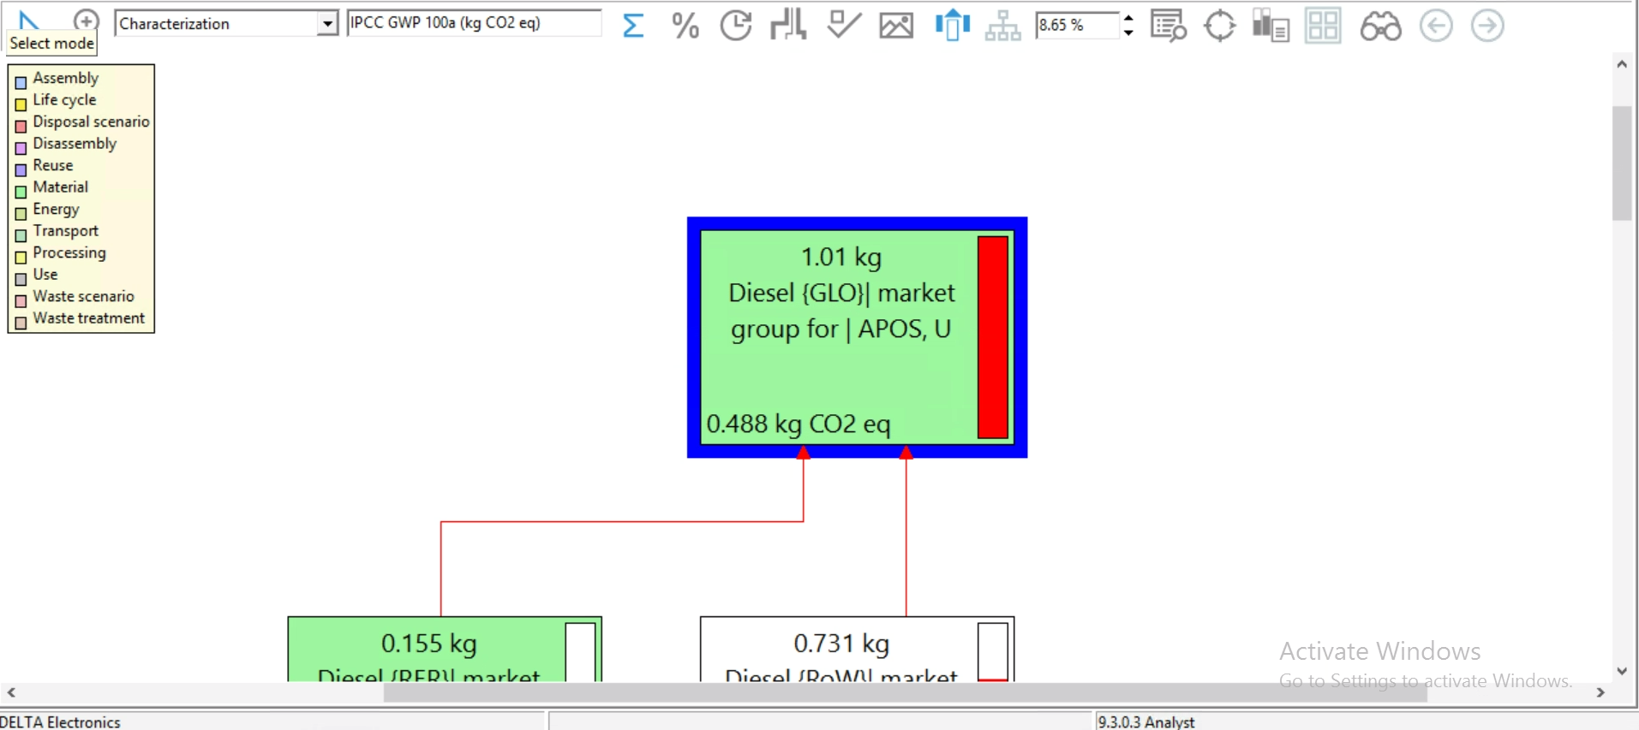

Petrol, unleaded {RoW}| market for | APOS, U

